Sheet1
Category | Label | Value1 | Value2 | Value3 | Value4 | Value5 | Value6 | Value7 | Value8 | Value9
Bug ID | ID number | 1 | 2 | 3 | 4 | 5 | 6 | 7 | 8 | 9
 | Name | Tab Navigator | Registration Form - fields "First Name" / "Last Name" | field "E-mail" | Dropdown menu for "Date of birth" | Fields in "Address part" | Field "City" | Field "Mobile Phone" | Error Message for invalidate registration | Filter loading endlessly
 | Reporter | Stasa Basaric | Stasa Basaric | Stasa Basaric | Stasa Basaric | Stasa Basaric | Stasa Basaric | Stasa Basaric | Stasa Basaric | Stasa Basaric
 | Submit Date | 03.04.2020. | 03.04.2020. | 03.04.2020 | 03.04.2020. | 03.04.2020. | 03.04.2020. | 03.04.2020. | 03.04.2020. | 03.04.2020.
Bug overview | Relates to | Home page | Registration Form | Registration Form | Registration form | Registration form | Registration form | Registration form | Registration form | Filter
 | Screenshot | 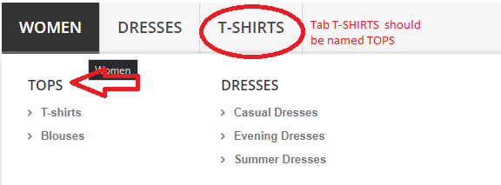 | 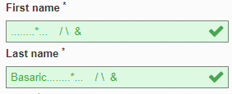 |  | 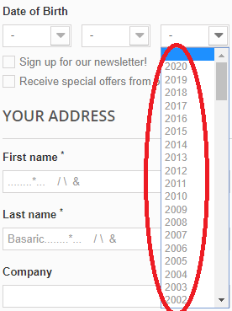 | 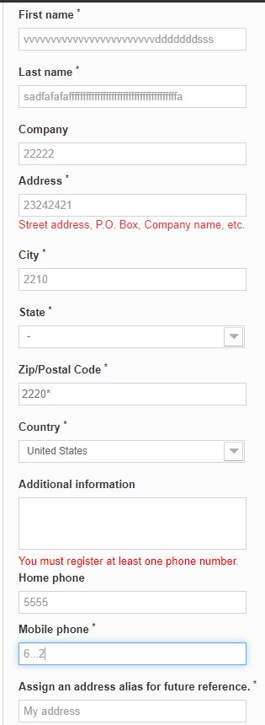 |  |  |  | 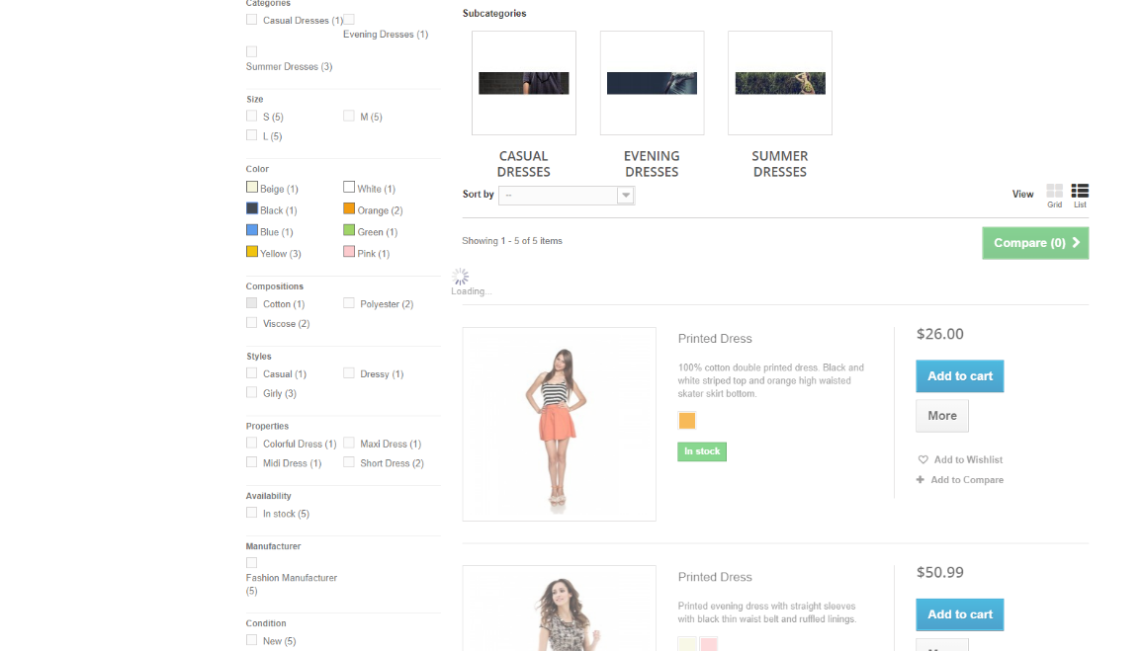
Environment | Platform | Web page | Web page | Web page | Web page | Web page | Web page | Web page | Web page | Web page
 | Operating System | Widnows 10 Pro | Widnows 10 Pro | Widnows 10 Pro | Widnows 10 Pro | Widnows 10 Pro | Widnows 10 Pro | Widnows 10 Pro | Widnows 10 Pro | Widnows 10 Pro
 | Browser | Google Chrome | Google Chrome | Google Chrome | Google Chrome | Google Chrome | Google Chrome | Google Chrome | Google Chrome | Google Chrome
Bug details | Steps to reproduce | 1. Open home page: http://automationpractice.com/index.php 2. Look at tab navigator - third tab | 1. Open home page: http://automationpractice.com/index.php 2. Click on "Sign in" button in top right corner 3. Type in an address with right format e.g. stasa@22.com 4. Click on button "Create account" 5. Registration form appears 6. Type in first field (First Name) - ...*.. \ / & 7. Type in second field (Last Name) - Basaric...*.. \ / & | 1. Same steps as in value2 (no need for steps 6,7) 2. Type in field "E-mail" - -stasa@22live.com | 1. Same steps as in value2 (no need for steps 6,7) | 1. Same steps as in value2 (no need for steps 6,7) | 1.Same steps as in value2 (1-4) 2. In field "City" type in numbers, e.g. 22244 3. Fill out the rest of mandatory fields with validate data 4. Click on button register | 1. Same steps as in value2 (1-4) 2. Type in field Mobile phone 6…2 3. Fill out the rest of mandatory fields with validate data 4. Click on button register | 1. Same steps as in value2 (1-4) 2. Type in unallowed data for fileds: First Name, Last Name, Password, Postcode 3. Select dash for country 5. Click on register button | 1. Open home page: http://automationpractice.com/index.php 2. Click on tab DRESSES 3. In filter navigation on left side, in colors section, click on "Beige" color (or any other option in filter..)
 | Expected result | Tops | Error - red field | Error - red field | Exepected limit for years - at least 16 or 18 | Expected fields to be colored red for wrong input or green for validated input | Error - wrong field input for City | Error - wrong field input for Mobile phone | Error message - in right format and sintax | Dress in beige color appears
 | Actual result | T-shirts | Field is validated - some special characters are allowed | Field validated | 2002 to 2020 are given as one of the year options | No color | Successful registration | Successful registration | lasname is invaild firstname is invaild passwd is invaild id_country is invaild address1 is required | Loading.........infinite
 | Description | Wrong name for tab - it should be TOPS with following options in drop down - Blouses and T-shirts |  | - (dash) as prefix for mail formats should not be allowed as it does not exist |  |  | Numbers should not be allowed for City field input | Dots should not be allowed for mobile phone input, aslo US has standardized format for mobile and home phones e.g. (541) 754-3010 | Error message is displayed with names of fields id in HTML...
Bug tracking | Severity | low | medium | high | medium | low | high | medium | medium | high
 | Assigned to
 | Priority | low | medium | high | medium | low | high | medium | medium | high
Notes | Notes

